Sheet
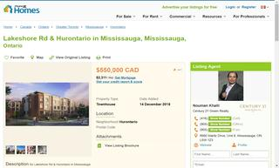
1 Bedroom Apartments for
$550,000
No sqft found
No beds found
1 Baths
416-841-1245

